Cover sheet
OIA-8795 -

Report Date: | 2021-10-14
Data extract date: | 2021-10-14
Requester:
Request: | The latest accident data for the intersection being the Southbound Tawa exit of State Highway One and Takapu Road Tawa.
Source database: | CAS
Report produced by: | Peter McGinty (Data Services)
Peer reviewed by: | Paul Phipps (Data Services)

Please note the following concerning the data contained in this spreadsheet:
This data is provided from the road traffic crash database; Crash Analysis System (CAS) version 2.2.0
Waka Kotahi NZ Transport Agency maintains the CAS which is updated once a Traffic Crash Report is received from NZ Police sometime after the crash.
Data is for all crashes for the years 2011 to 2021 as recorded in CAS to date - 14/10/2021.
Data is limited to crashes within 30m of the intersection between the SH 1 southbound offramp and Takapu Road, Tawa.
A crash, to be recorded in CAS, must have occurred on a road. The CAS definition of a road is any street, motorway or beach, or a place to which the public have access with a motor vehicle, whether as of right or not e.g. a public car park.
Due to the police reporting time frame and subsequent data processing there is a lag from the time of a crash to full and correct crash records within CAS.
Due to the nature of non-fatal crashes it is believed that these are under-reported, with the level of under-reporting decreasing with the severity of the crash.
Crash severity is the severity of the worst injury in the crash. There may be more than one injury in a crash, so the crash and injury tables may have different numbers.
2020 and 2021 data is incomplete.

For further information, please contact |  | StatisticalAnalysis@nzta.govt.nz

Map
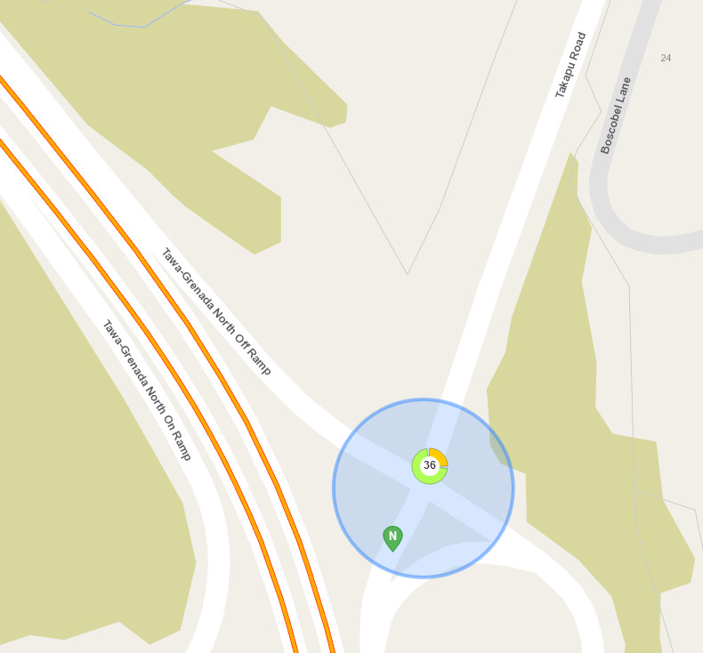
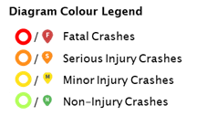
This information must be read in conjunction with the Caveats on the first page of this spreadsheet

Map of 2011 to 2021 crashes at the intersection between the SH 1 southbound offramp and Takapu Road, Tawa.

CAS will group crashes that are near each other depending on the zoom level of the map.
This should not be interpreted as where crash hotspots are.
The number in the circle is the number of crashes on that section of highway.
The colours around the circle show the proportion of crashes of different severities - see legend to the right of this diagram.
Where there are individual crashes that are not grouped, they show as single pin - see legend to the right of this diagram.
* 2020 and 2021 data is incomplete and is current from CAS as at 14/10/2021

